Sheet1
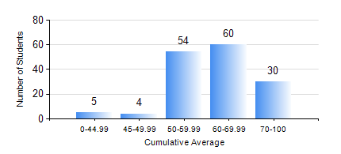
 |  |  | KWAME NKRUMAH UNIVERSITY OF SCIENCE AND TECHNOLOGY, KUMASI Department of Telecommunication Engineering

 |  |  | BSC. TELECOMMUNICATION ENG.

 |  |  | COMPREHENSIVE RECORD OF EXAMINATION RESULTS

 |  |  | RESULTS OF YEAR 3 FIRST SEMESTER, 2023/2024 ACADEMIC YEAR

 | Sn | Course Code |  | Course Name | Credit Hours | Min. Mark | Max. Mark | Avg. Mark | Std. Dev. | No. Passed | No. Trailed | No. (Df) | No. (I) | No. (I*) | No. Tagged(I,I*,Df) | Total
 | 0. |  |  |  |  |  |  | 0 | 0 | 0 | 0 | 0 | 0 | 0 | 0 | 7
 | 1. | COE 381 |  | MICROPROCESSORS | 3 | 46 | 91 | 74 | 5.91 | 146 | 0 | 0 | 0 | 0 | 0 | 146
 | 2. | EE 371 |  | LINEAR ELECTRONIC CIRCUITS | 3 | 16 | 90 | 63 | 12.73 | 142 | 4 | 0 | 0 | 0 | 0 | 146
 | 3. | MATH 351 |  | NUMERICAL ANALYSIS | 2 | 23 | 83 | 60 | 10.53 | 145 | 1 | 0 | 0 | 0 | 0 | 146
 | 4. | STAT 253 |  | PROBABILITY AND STATISTICS | 2 | 24 | 96 | 59 | 12.79 | 140 | 5 | 0 | 1 | 0 | 1 | 146
 | 5. | TE 361 |  | INFORMATION THEORY | 2 | 8 | 96 | 53 | 17.78 | 129 | 17 | 0 | 0 | 0 | 0 | 146
 | 6. | TE 381 |  | OPTICAL COMMUNICATIONS | 2 | 17 | 94 | 66 | 16.47 | 145 | 1 | 0 | 0 | 0 | 0 | 146
 | 7. | TE 385 |  | SIGNALS AND SYSTEMS | 2 | 9 | 87 | 51 | 14 | 131 | 15 | 0 | 0 | 0 | 0 | 146
 | 8. | TE 391 |  | TELECOMMUNICATIONS LAB III | 2 | 50 | 94 | 81 | 10.62 | 145 | 0 | 1 | 0 | 0 | 1 | 146

